Documents
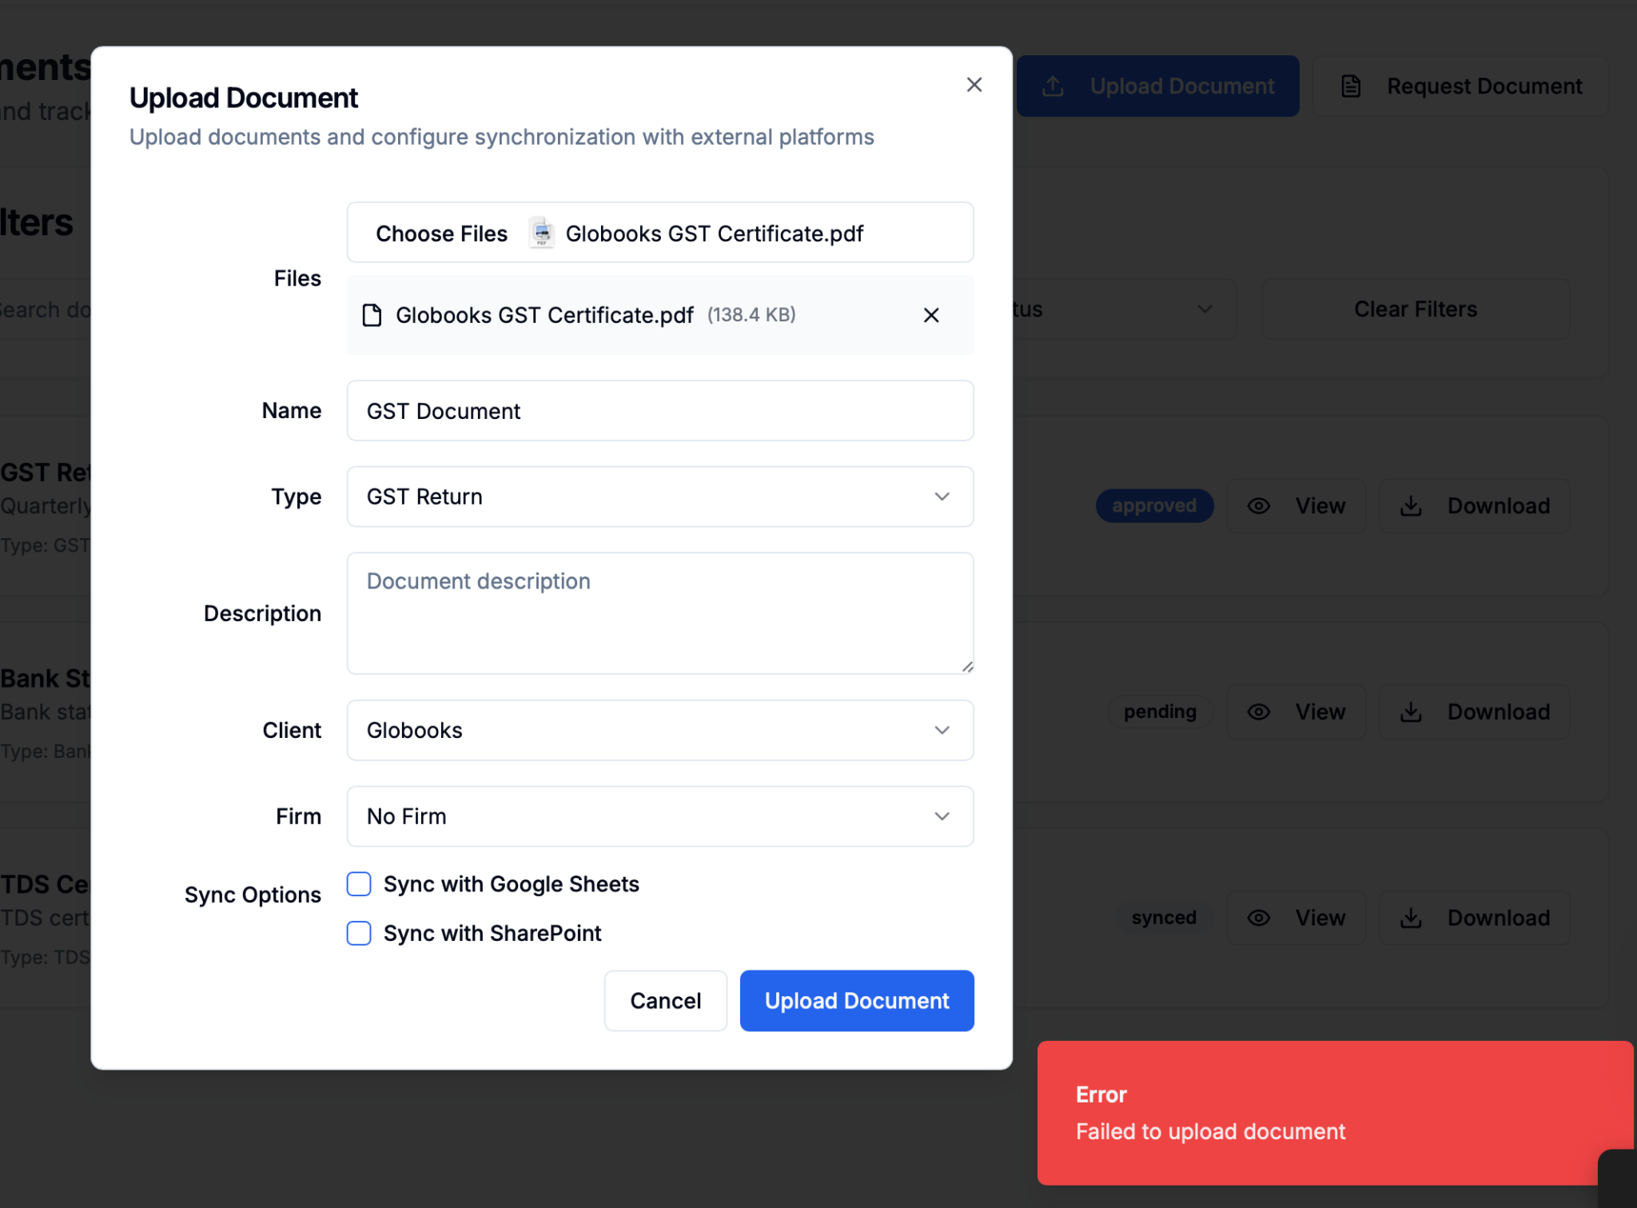
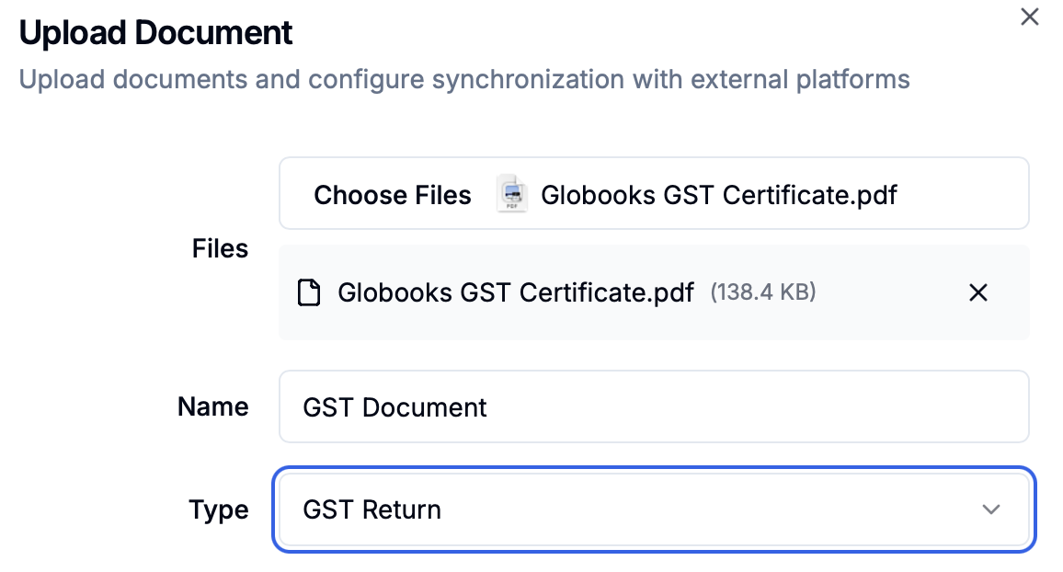
Sr. No. | Team Member Name | Login Role | Section/Area of the Tab | Current Issue or Workflow | Suggestion | Reason
 |  |  | File Name |  | Autopickup name from File Uploaded and rename option should available
 |  |  | Type Option |  | Folder Name
 |  |  | Documents Upload |  | Error while uploading
 |  |  | Sync Option |  | It's means auto updated in Sharepoint?
 |  |  | Documents Request Option |  | Mail and whatsapp feature not activated
 |  |  | Two Views |  | 1. Documents available to download 2. Documents Downloaded Here filter option should be available based on Date, File Name, Client, Etc.

Tasks
Sr. No. | Team Member Name | Login Role | Section/Area of the Tab | Current Issue or Workflow | Suggestion | Reason
 |  |  | Task flow from |  | - Client Master, while adding services - From Task Module, Create Task from their user login - From Task module, task added by different person from other login - Whenever task status changed to completed, it would automatically added a task to review in the login of task assigner
 |  |  | Reassign option |  | Here for example manager got a task from Admin, he can reallocate to team member, so no need to repeat again whole story
 |  |  | Status Update |  | At the end of day progress in terms of percentage filled by team member - Immedicately manager get's pop up in their dashboard
 |  |  | Status Update |  | - First person can only mark ready for review option (Team member) - Second Person can mark completed (manager)
 |  |  | Task Assignment |  | Option of Documents Upload and email file upload
 |  |  | Task Assignment |  | Date and time option, while adding task to reminder for task
 |  |  | Task Assignment |  | While allocating any task can be looped multiple person, they will be keep updated (Similar to CC)
 |  |  | Task Assignment |  | Option of Voice note
 |  |  | Task Assignment |  | Priority Option (High/Medium/Low) optional
 |  |  | Task Assignment |  | Preference Option (Numbering) optional
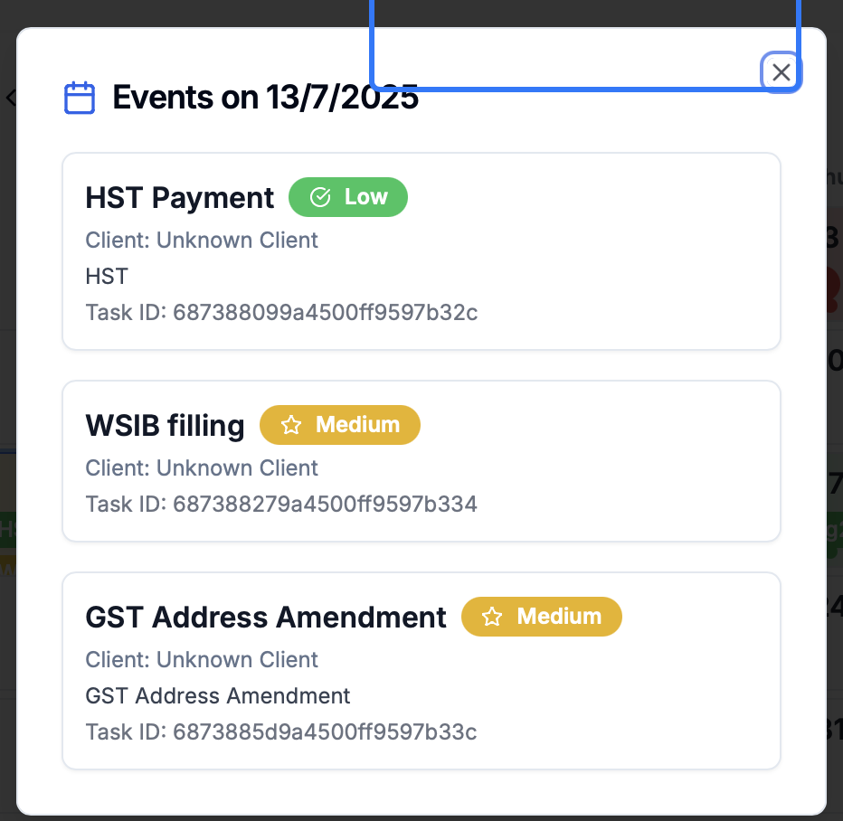
 |  |  | Task Assignment |  | Review checklist
 |  |  | Event |  | Client name not relecting (Show more option if day exahust with size)(refer snip)
 |  |  | Filter Required |  | 1. Client 2. Service 3. User 4. Status 5. Date/Period 6. Priorities 7. preference

Queries
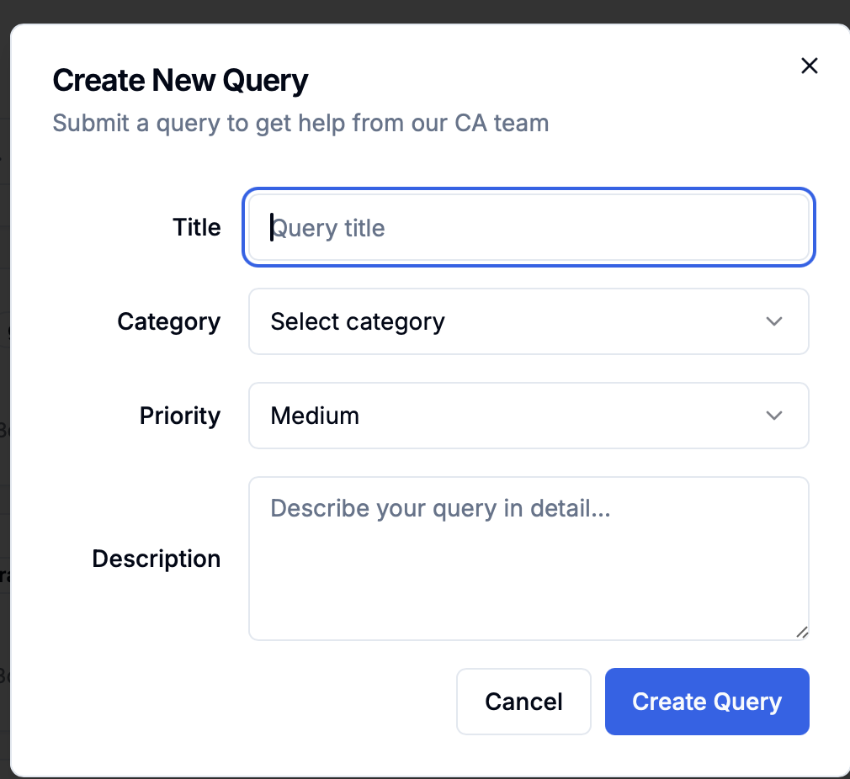
Sr. No. | Team Member Name | Login Role | Section/Area of the Tab | Current Issue or Workflow | Suggestion | Reason
 |  |  |  | 1. Query to whom option is not available here option of tagging manager should be there 2. Always ask Client Name and then Service and then description (Refer Snip)

Client Management
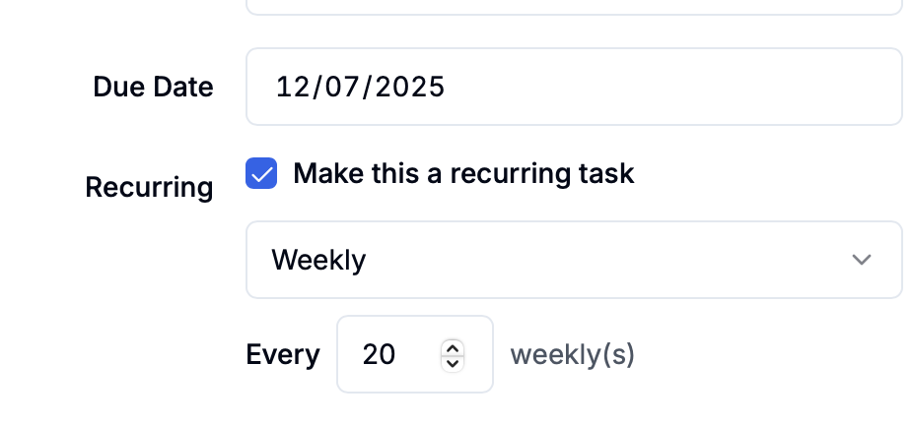
Sr. No. | Team Member Name | Login Role | Section/Area of the Tab | Current Issue or Workflow | Suggestion | Reason
 |  | Manager | New client Addition |  | Currently have Name field only - Business Name (Instead of Name) - Legal Name (Addition) Client created in Manager portal is not reflecting in Manager portal
 |  |  | New client Addition |  | Once Client Created, they will reflect different sort of Services from Service Master. Which can be selected in client Master to setup all due dates |  | Current option Snip
 |  |  | Service master |  | Name of Service (GST/HST, Tax Return, Payroll, Bookkeeping, Monthly Report/KPI/MIS, Compilation Report, Audit Assistant, Cashflow) Recurring (Onetime/recurring), if recurring below option of frequency Frequency (Daily, Weekly, Biweekly, Semi Monthly, Monthly, Quarterly, Semi Yearly, Yearly) If frequency option selected Daily - Timing option, Weekly - Day option from Mon to Sun, Biweekly then Alternate Monday to Sunday, Semi monthly any date after 15 Days, Monthly then a Date, Quartrely then a date, Yearly then a date) This option repeat for each name of service added in customer (Date is manually editable)
 |  |  | Name of Service |  | - Name of service - Prefix discription (editable for each client)
 |  |  | Service |  | Every service must be assigned to a team member atleast
 |  |  | Client with same business number |  | Currently, it's taking duplicate

Master
Sr. No. | Team Member Name | Login Role | Section/Area of the Tab | Current Issue or Workflow | Suggestion | Reason
 |  |  | Service Master
 |  |  | Client Master
 |  |  | Status master
 |  |  | User Roles Master | Predefined Right to all user master
 |  |  | User Master
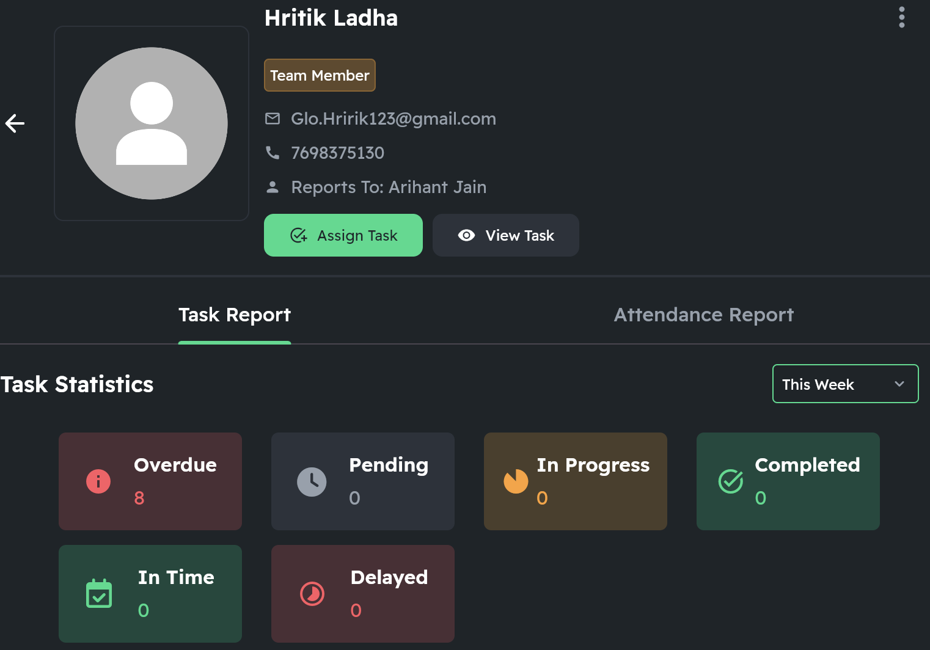
 |  |  | Statistics | In the back end statistics should be computed, so that we can evaluate performance of Team (Refer Snip)
 |  |  | Review checklist | User need to checkpoint Yes/No before changing status of review for complete
 |  |  | Review checklist | This linked with each service master, which is editable

